Sheet1
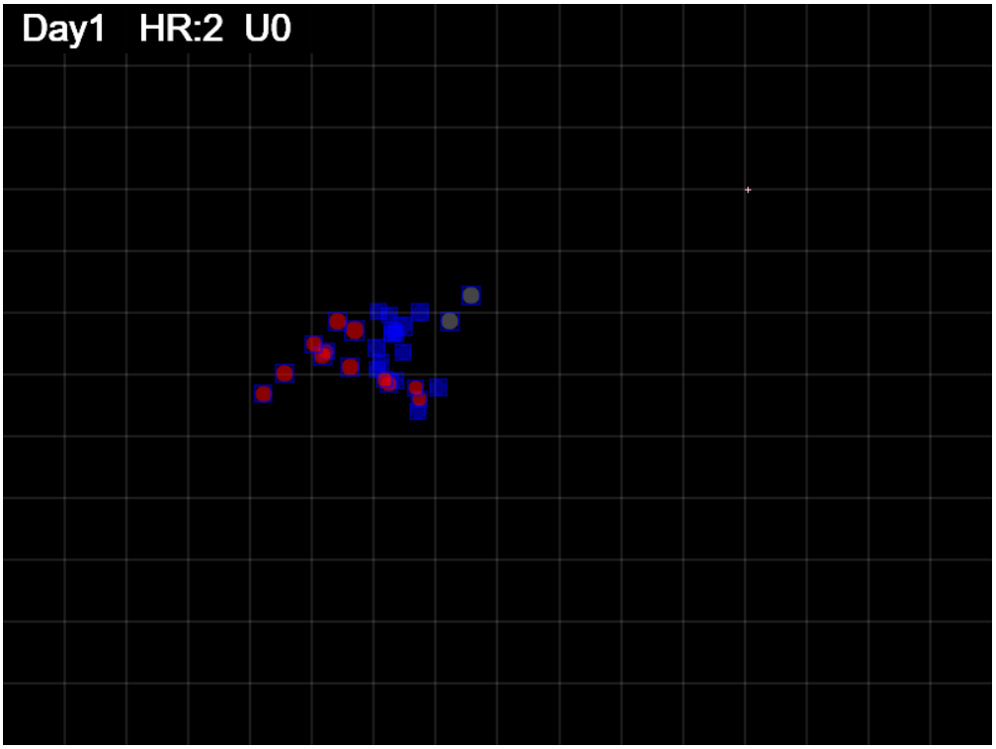
Gen = 25

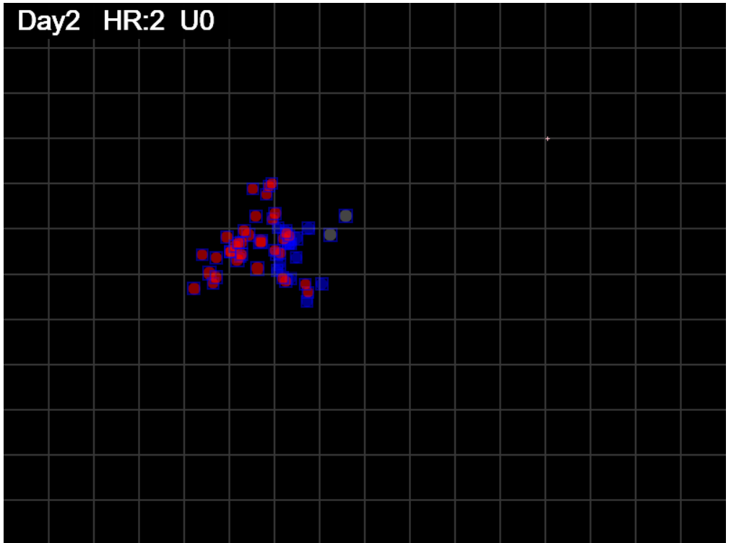

gen = 50

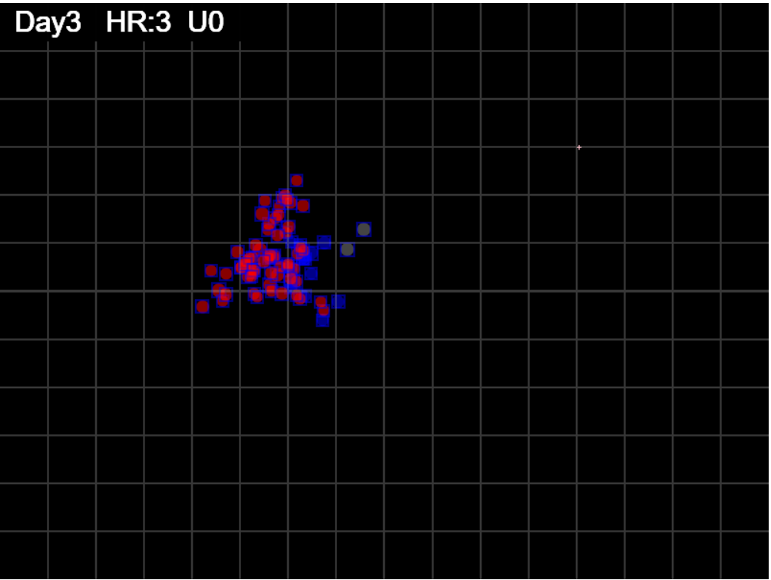

gen=75

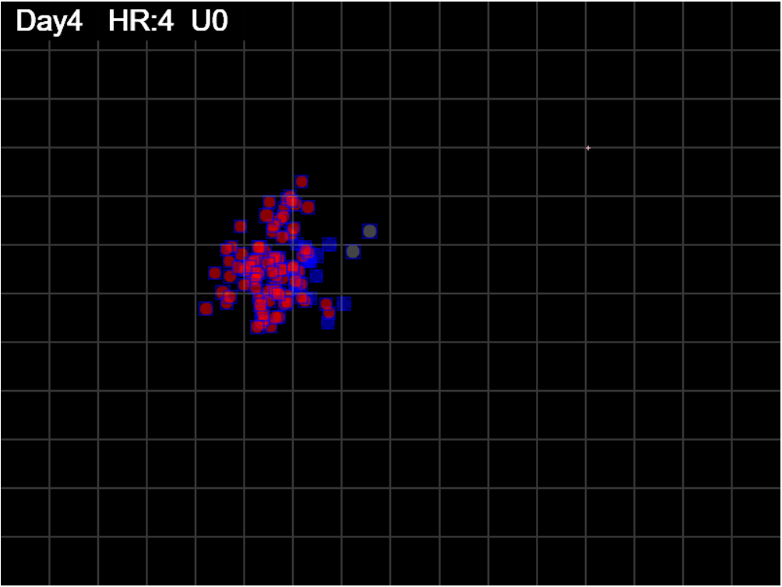

gen=100

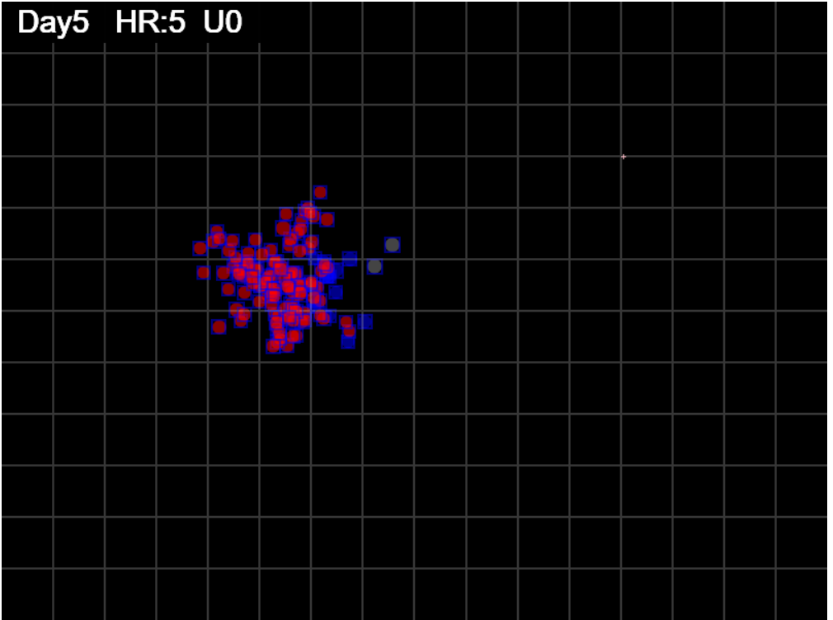

gen=125

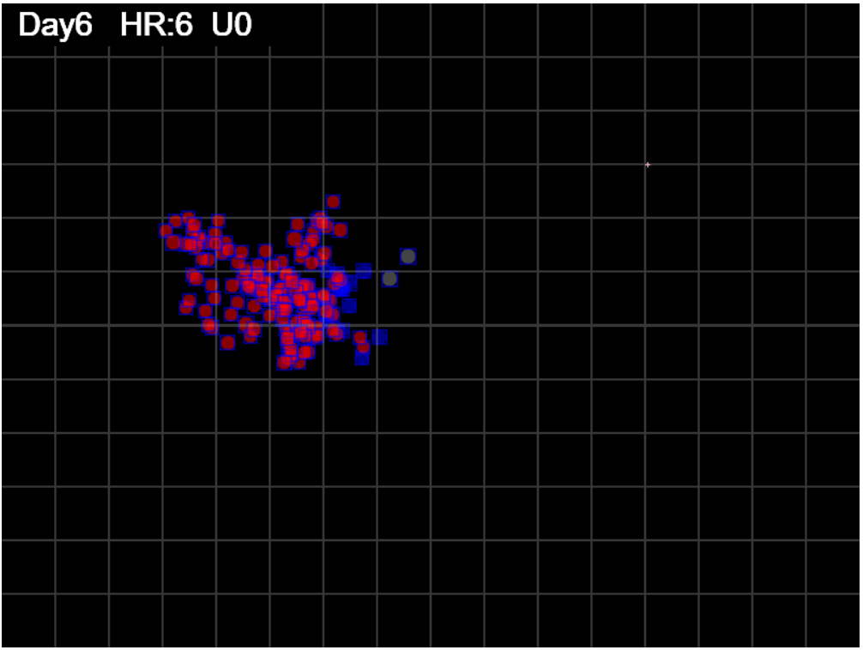

gen=150

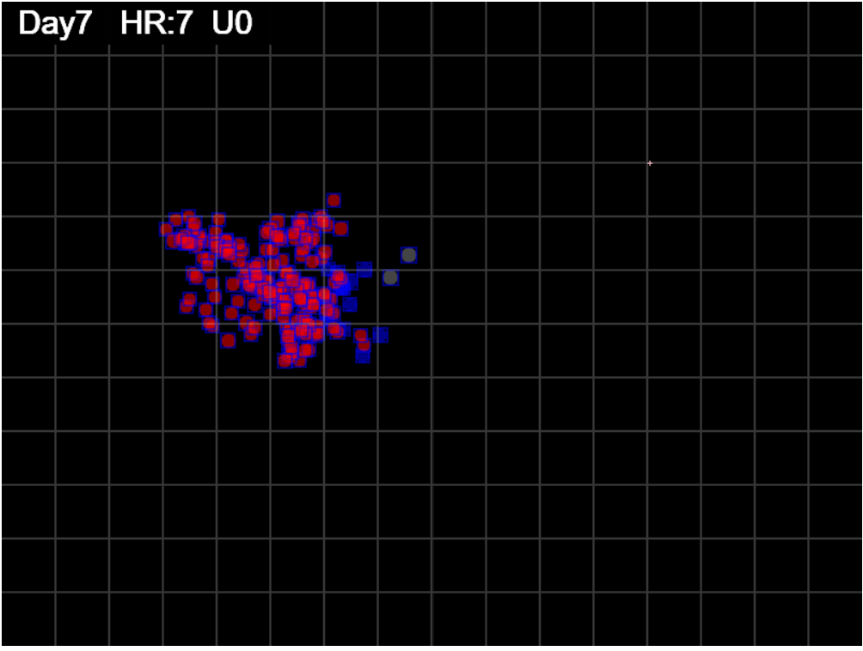

gen=175

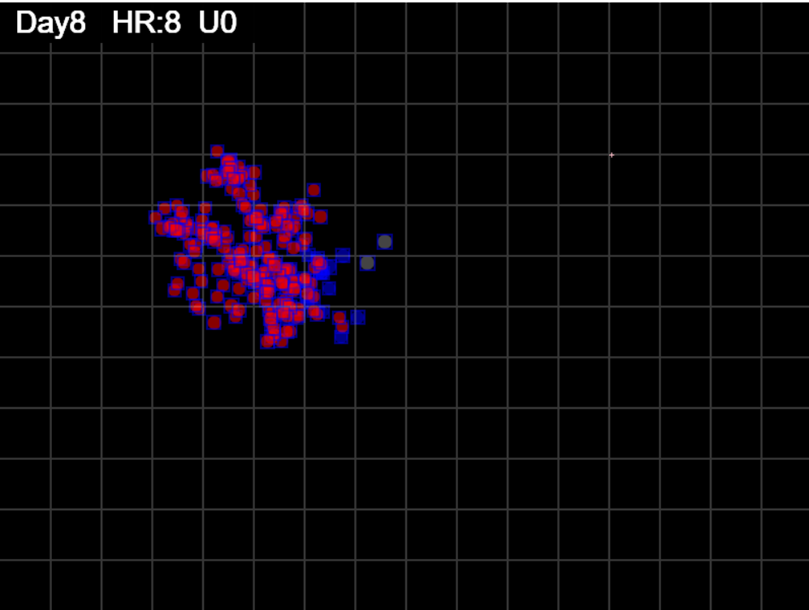

gen=200

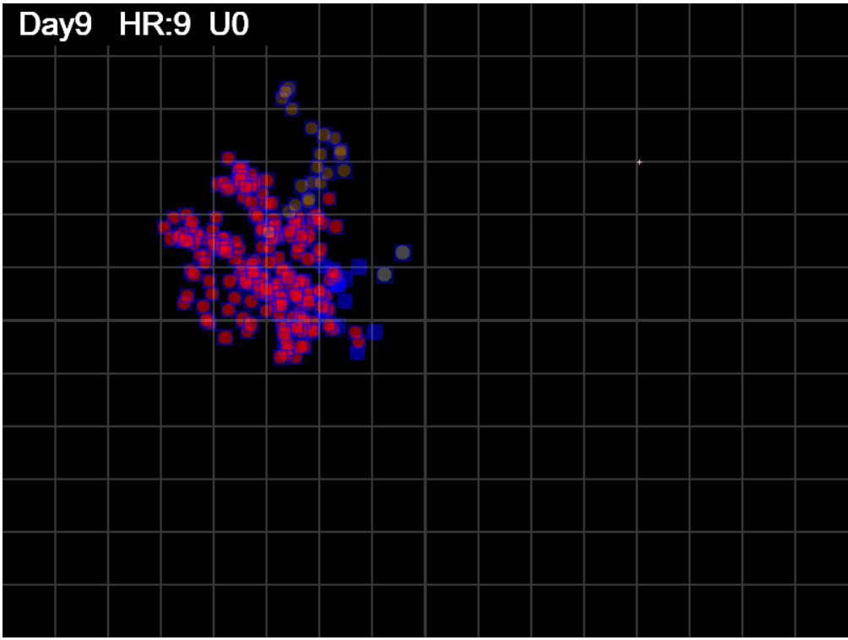

gen=225

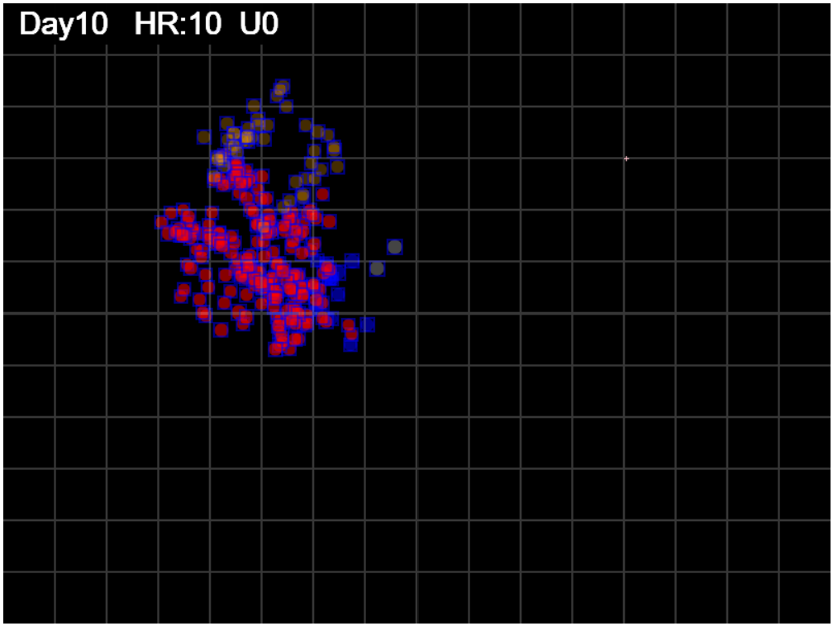

gen=250

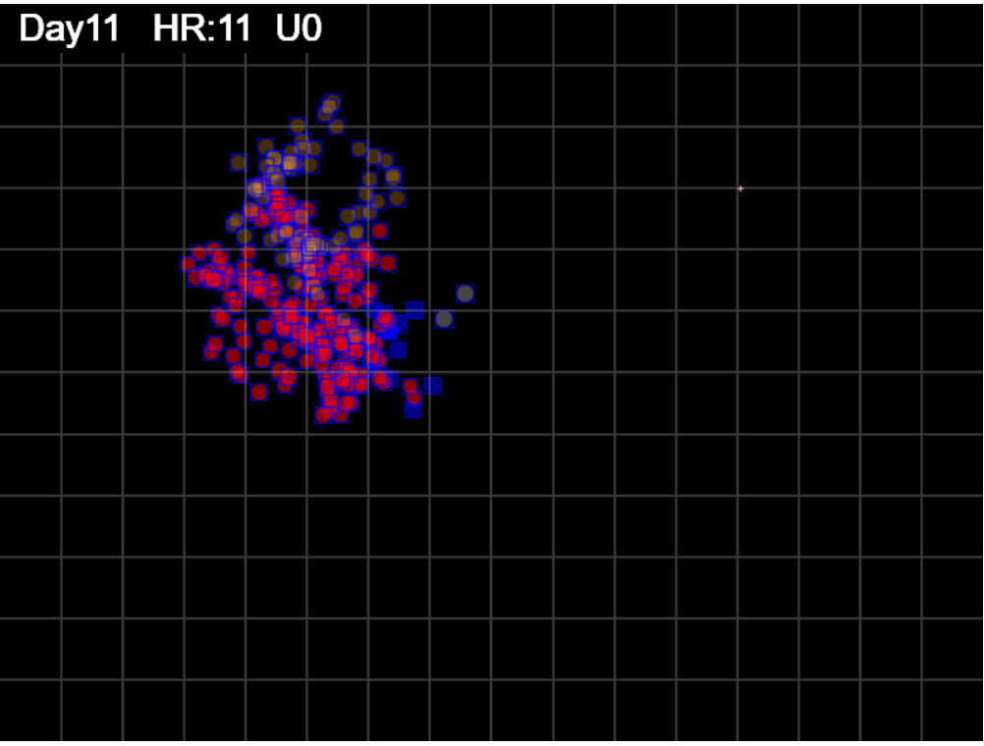

gen=275

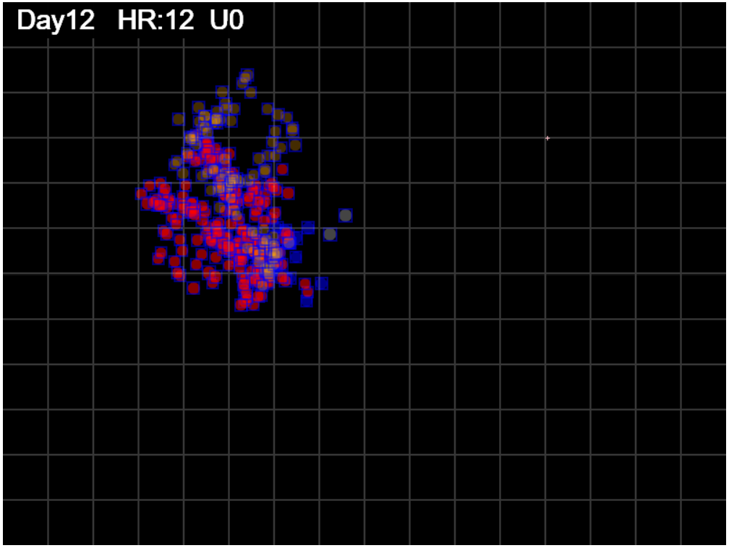

gen=300

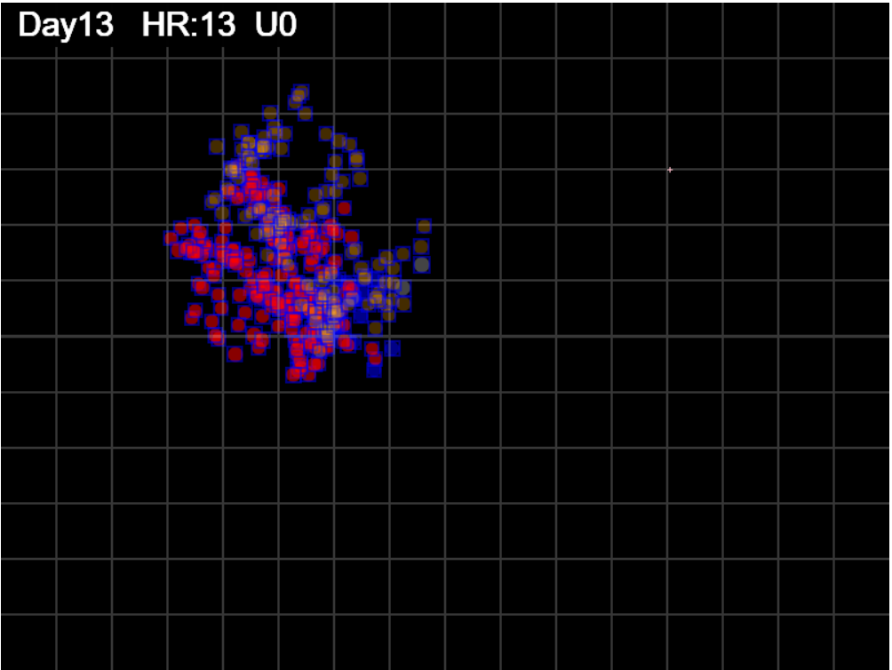

gen=325

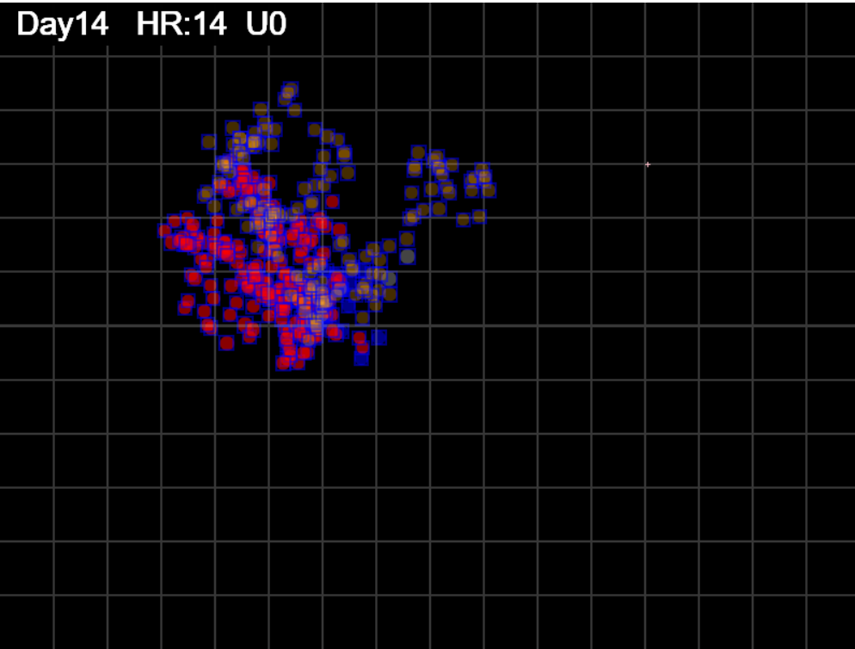

gen=350

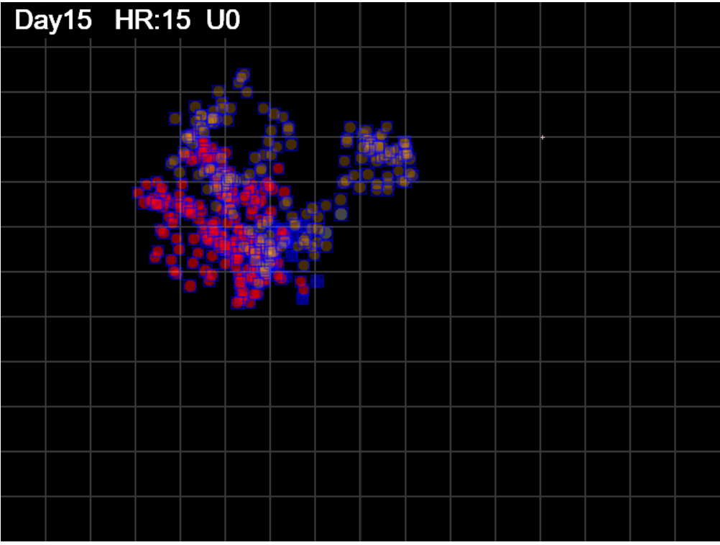

gen=375

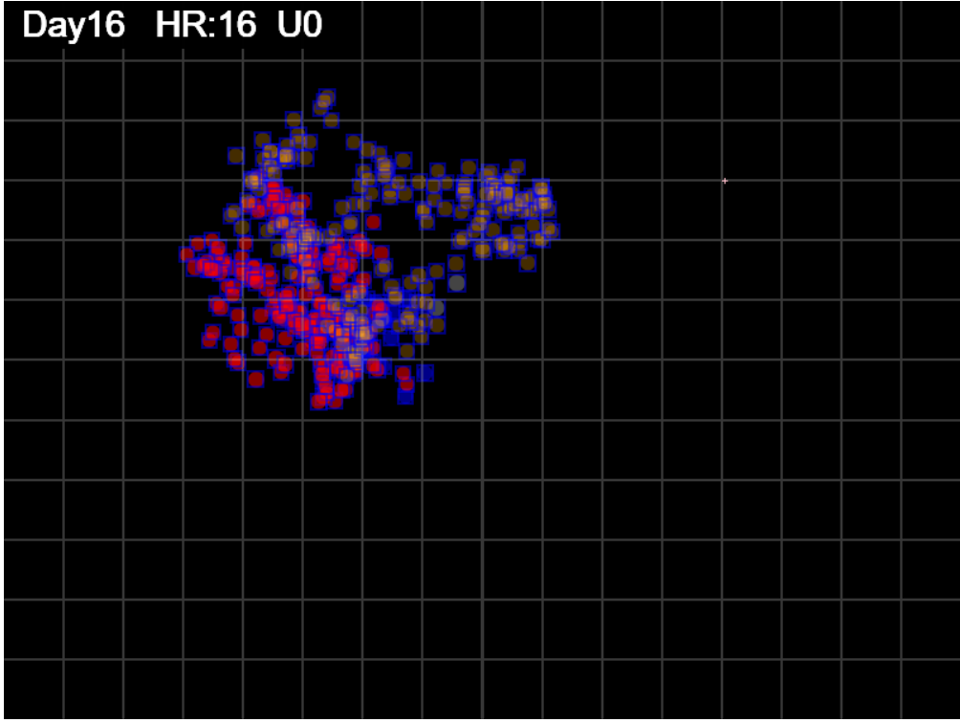

gen=400

= generation 427
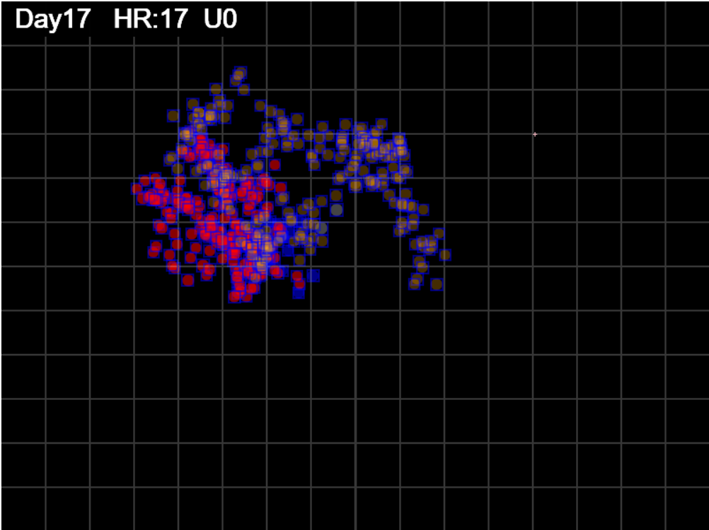

gen=427

seector 50x50
TOTAL 192

Territory
Footprint

Arena = 800x600
TRACE OF AGENT MOVES

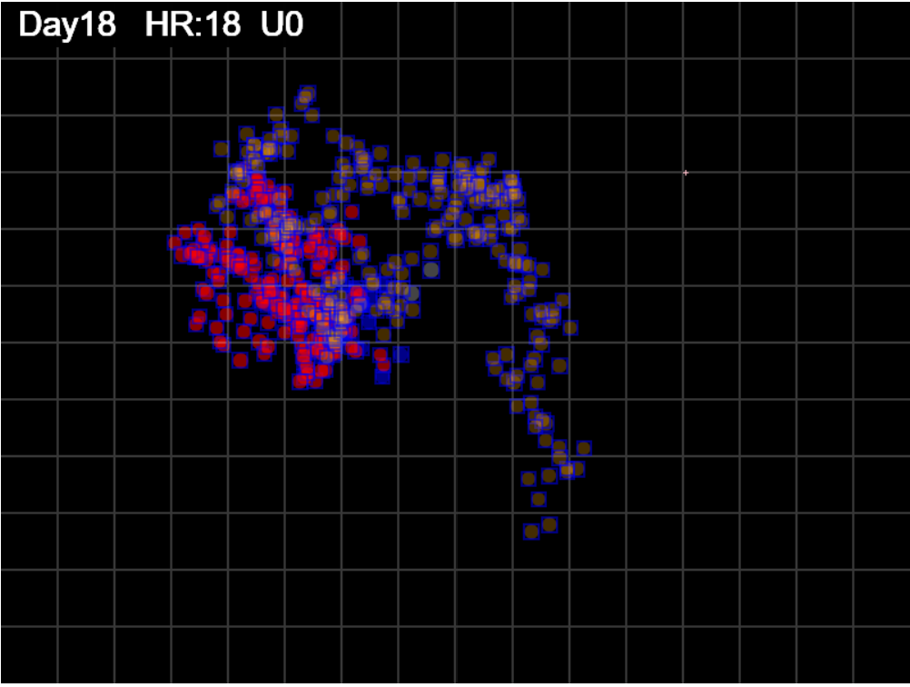

gen=450

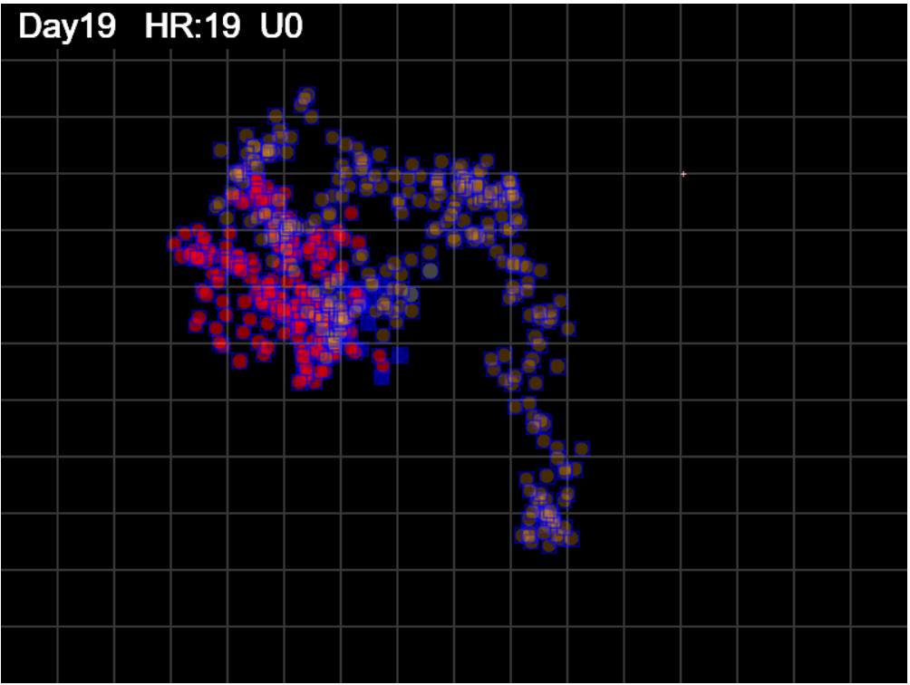

gen=475

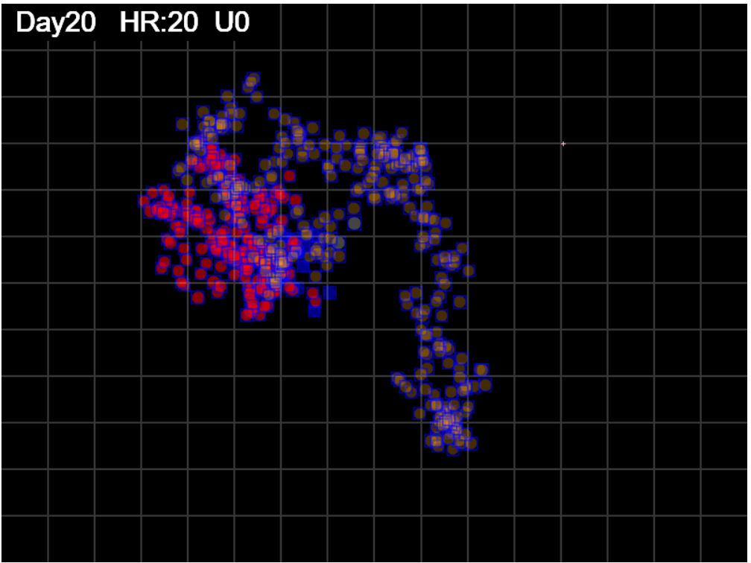

gen=500

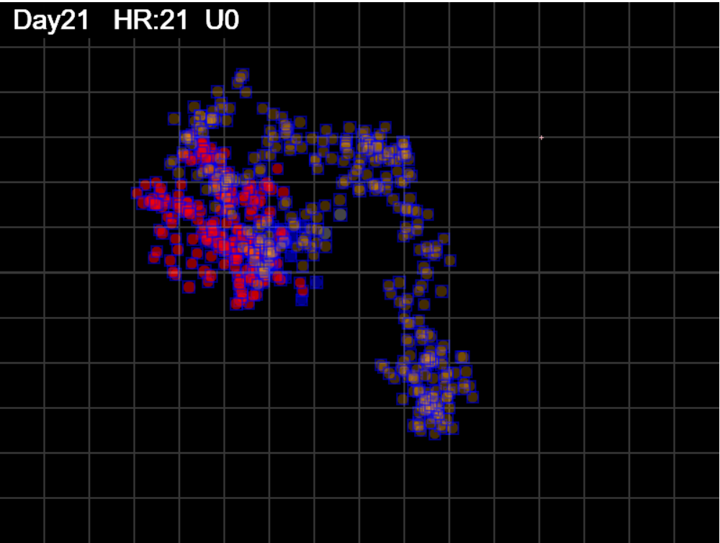
gen 525

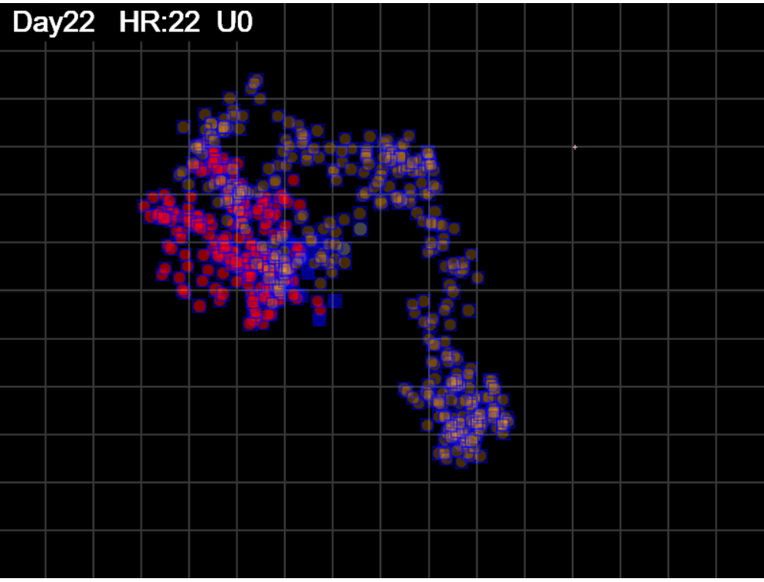
gen 550

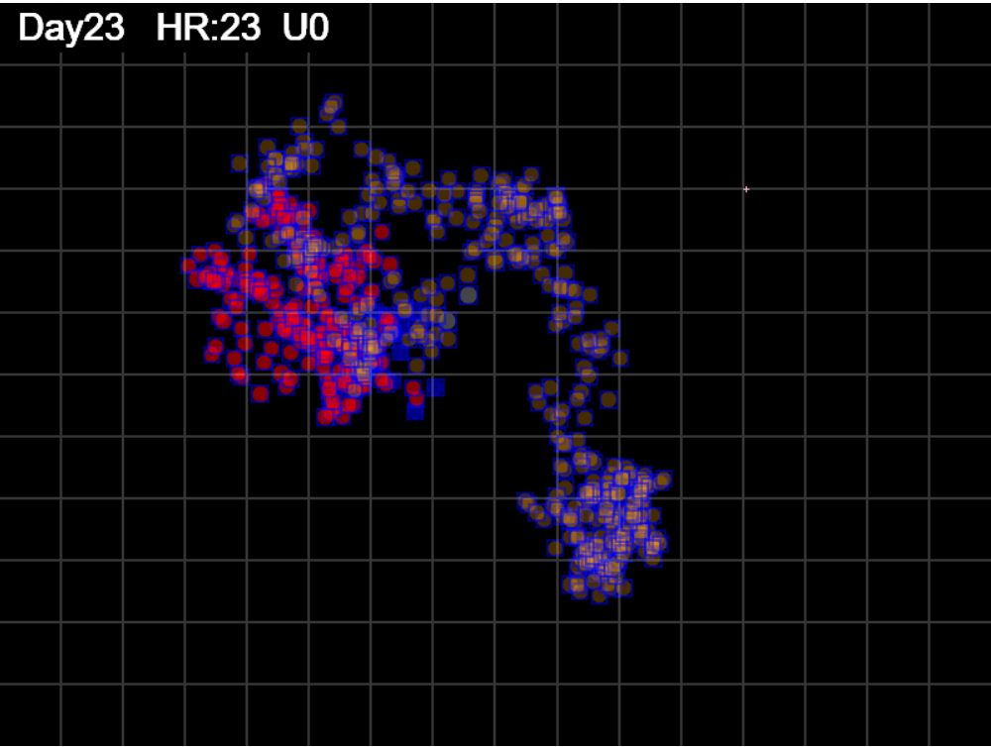
gen 575

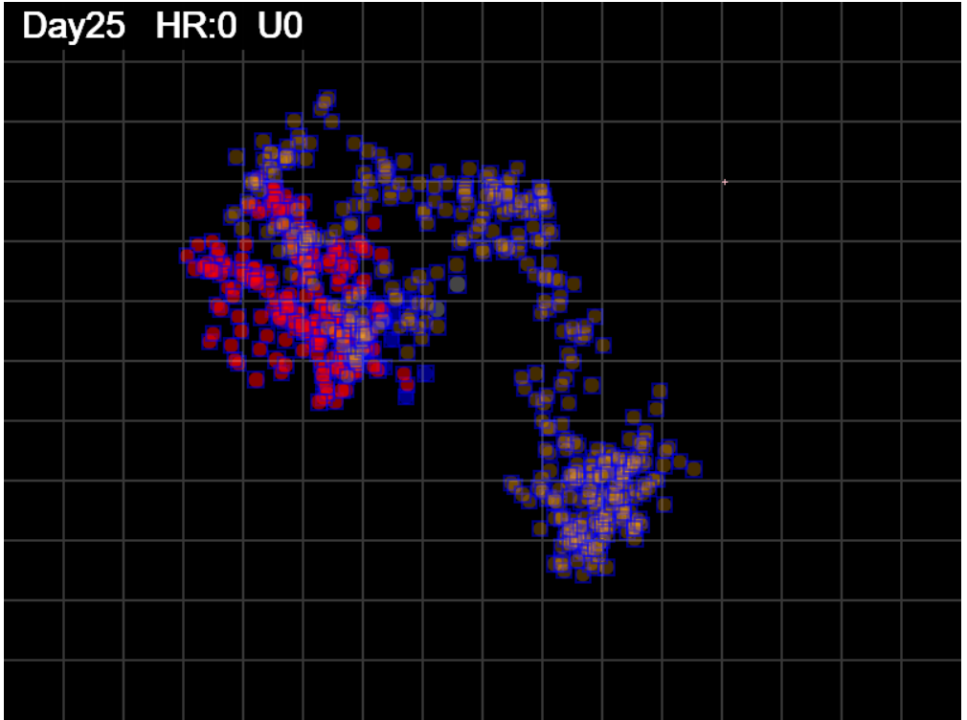
gen 600

Sheet3
 | Spread S
 | 1.17
 | 1.93
 | 2.26
 | 2.85
 | 3.69
 | 3.64
 | 3.77
 | 3.45
 | 3.41
 | 3.05
 | 3.28
 | 3.45
 | 3.65
 | 4.60
 | 4.24
 | 4.01
 | 3.82
 | 3.67
 | 3.62
 | 4.30
 | 3.97
 | 4.12
 | 4.28
 | 4.26
 | 4.31
 | 4.86
 | 5.16
 | 5.00
 | 4.91
 | 4.74
 | 4.56
 | 4.56
 | 4.39
 | 4.27
 | 4.23
 | 4.22
 | 4.18
 | 4.11
 | 4.11
 | 4.07
 | 4.03
 | 3.97
 | 3.97
 | 3.97
 | 3.87
 | 3.91
 | 3.79
 | 4.49
 | 4.61
...
higher = sparser, more spacing between individual prints or clusters
spread = territory/footprint

if this approaches 1, then footprint coers entire territroy
and is very tightly packed
as Spread index S increase -> more and more open spaces
so density will decrease

Spread is more visually sensitive than density

 | Coverage
 | 0.00075096666667
 | 0.0017745
 | 0.002802820625
 | 0.0040727566667
 | 0.0061504489583
 | 0.0061504489583
 | 0.007254203125
 | 0.007254203125
 | 0.007254203125
 | 0.0073311197917
 | 0.00860671875
 | 0.009572135625
 | 0.010987050208
 | 0.014931323333
 | 0.014931323333
 | 0.014931323333
 | 0.014931323333
 | 0.014931323333
 | 0.014931323333
 | 0.019132286667
 | 0.019132286667
 | 0.02114374
 | 0.022932133333
 | 0.023595443333
 | 0.02485945
 | 0.029559363333
 | 0.032834823333
 | 0.032834823333
 | 0.032834823333
 | 0.032834823333
 | 0.032834823333
 | 0.032834823333
 | 0.032834823333
 | 0.032834823333
 | 0.032834823333
 | 0.032834823333
 | 0.032834823333
 | 0.032834823333
 | 0.032834823333
 | 0.032834823333
 | 0.032834823333
 | 0.032834823333
 | 0.032834823333
 | 0.032834823333
 | 0.032834823333
 | 0.033841683333
 | 0.033841683333
 | 0.041169386667
 | 0.043298476042
...

coverage = territory/Arena
higher = more of Arena covered

 | Sectors
 | 1
 | 2
 | 4
 | 4
 | 4
 | 4
 | 4
 | 6
 | 6
 | 6
 | 6
 | 6
 | 8
 | 8
 | 8
 | 9
 | 9
 | 9
 | 9
 | 9
 | 9
 | 9
 | 9
 | 9
 | 9
 | 10
 | 11
 | 11
 | 11
 | 11
 | 11
 | 11
 | 11
 | 11
 | 11
 | 11
 | 11
 | 11
 | 11
 | 11
 | 11
 | 11
 | 11
 | 11
 | 11
 | 11
 | 11
 | 11
 | 11
 | 11
...

shows growth in sectors
sectors are 50x50 so would show slower growth
than territory which is by pixel limits of the
bounding rectangle for the footprint

 | Density
 | 0.85
 | 0.52
 | 0.44
 | 0.35
 | 0.27
 | 0.27
 | 0.27
 | 0.29
 | 0.29
 | 0.33
 | 0.31
 | 0.29
 | 0.27
 | 0.22
 | 0.24
 | 0.25
 | 0.26
 | 0.27
 | 0.28
 | 0.23
 | 0.25
 | 0.24
 | 0.23
 | 0.23
 | 0.23
 | 0.21
 | 0.19
 | 0.20
 | 0.20
 | 0.21
 | 0.22
 | 0.22
 | 0.23
 | 0.23
 | 0.24
 | 0.24
 | 0.24
 | 0.24
 | 0.24
 | 0.25
 | 0.25
 | 0.25
 | 0.25
 | 0.25
 | 0.26
 | 0.26
 | 0.26
 | 0.22
 | 0.22
...
sector cover is sector/total sectors which is just
scaled by 192
so the shape is essentially the same

